Worksheet
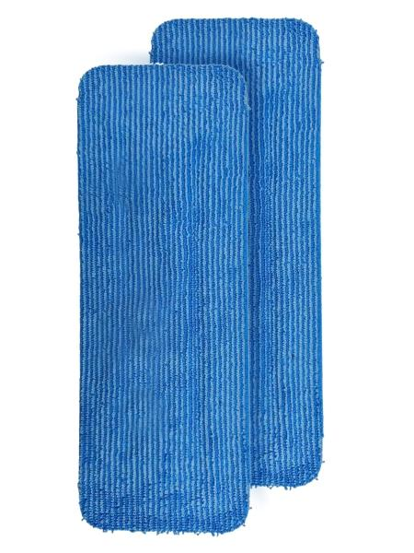
Lifenaxx Cleaning Pad, 2-Pack LX-088

Item number | 5521 |  | VE | 30
EAN | 4262579320507 |  | Pieces per pallet | no information
Customs number | 63071010 |  | Layers per pallet | 4
UPC | 0
Dimensions - item
Length(inch) | Width(inch) | Height(inch) | Weight(oz)
13.39 | 4.92 | 0.31 | 2,47

Dimensions - item packaging
Length(inch) | Width(inch) | Height(inch) | Tare(oz) | Weight(oz) product + packaging
13.78 | 5.51 | 1.57 | 0,00 | 7,05

Dimensions - VE box (master box)
Length(inch) | Width(inch) | Height(inch) | Weight(oz)
16.54 | 16.54 | 14.57 | 211,64

Packaging - components
Rest of accessories (oz) | Paper / cardboard (oz) | Styrofoam (oz) | Plastic hollow body(oz) | Plastic. foils(oz) | Composite materials (oz)
0,00 | 0,00 | 0,00 | 0,00 | 0,00 | 0,00

Further informations
Technaxx reseller portal

