Worksheet
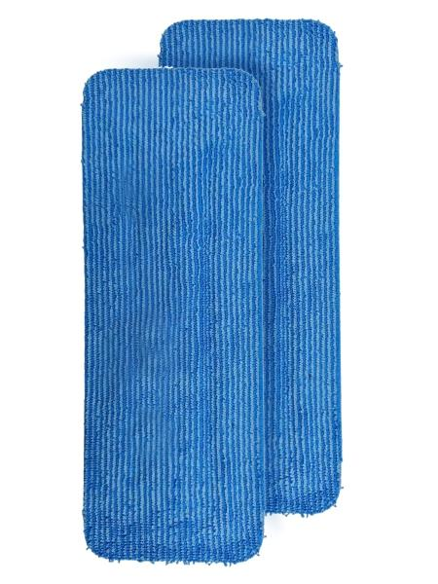
Lifenaxx Cleaning Pad, 2-Pack LX-088

Item number | 5521 |  | VE | 30
EAN | 4262579320507 |  | Pieces per pallet | no information
Customs number | 63071010 |  | Layers per pallet | 4

Dimensions - item
Length(cm) | Width(cm) | Height(cm) | Weight(g)
34 | 12.5 | 0.8 | 70

Dimensions - item packaging
Length(cm) | Width(cm) | Height(cm) | Tare(g) | Weight(g) product + packaging
35 | 14 | 4 | 0 | 200

Dimensions - VE box (master box)
Length(cm) | Width(cm) | Height(cm) | Weight(g)
42 | 42 | 37 | 6000

Packaging - components
Rest of accessories (g) | Paper / cardboard (g) | Styrofoam (g) | Plastic hollow body(g) | Plastic. foils(g) | Composite materials (g)
0 | 0 | 0 | 0 | 0 | 0

Further informations
Technaxx reseller portal

