Worksheet
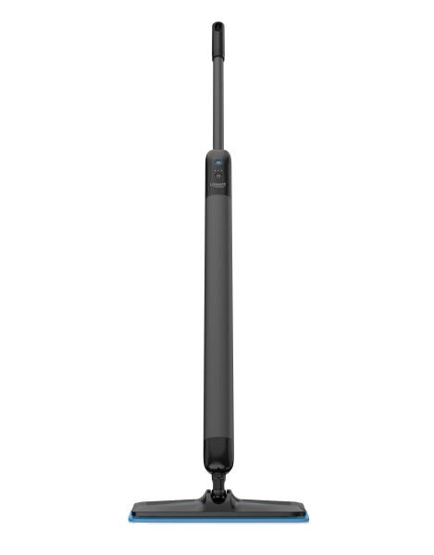
Lifenaxx Electric floor mop with 3 cleaning modes LX-088

Item number | 5520 |  | VE | 4
EAN | 4262579320491 |  | Pieces per pallet | no information
Customs number | 85081100 |  | Layers per pallet | no information
UPC | 0
Dimensions - item
Length(inch) | Width(inch) | Height(inch) | Weight(oz)
53.54 | 2.36 | 2.36 | 58,20

Dimensions - item packaging
Length(inch) | Width(inch) | Height(inch) | Tare(oz) | Weight(oz) product + packaging
42.91 | 6.3 | 4.13 | 0,00 | 63,49

Dimensions - VE box (master box)
Length(inch) | Width(inch) | Height(inch) | Weight(oz)
43.31 | 12.99 | 9.06 | 211,64

Packaging - components
Rest of accessories (oz) | Paper / cardboard (oz) | Styrofoam (oz) | Plastic hollow body(oz) | Plastic. foils(oz) | Composite materials (oz)
0,00 | 0,00 | 0,00 | 0,00 | 0,00 | 0,00

Further informations
Technaxx reseller portal

