Worksheet
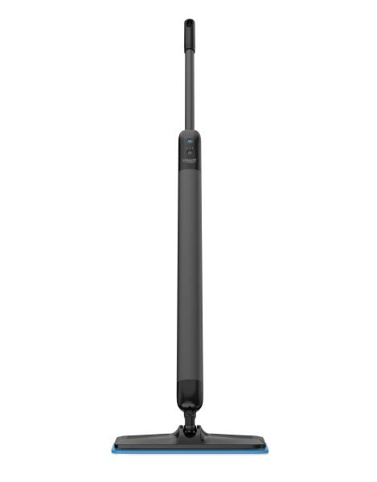
Lifenaxx Electric floor mop with 3 cleaning modes LX-088

Item number | 5520 |  | VE | 4
EAN | 4262579320491 |  | Pieces per pallet | no information
Customs number | 85081100 |  | Layers per pallet | no information

Dimensions - item
Length(cm) | Width(cm) | Height(cm) | Weight(g)
136 | 6 | 6 | 1650

Dimensions - item packaging
Length(cm) | Width(cm) | Height(cm) | Tare(g) | Weight(g) product + packaging
109 | 16 | 10.5 | 0 | 1800

Dimensions - VE box (master box)
Length(cm) | Width(cm) | Height(cm) | Weight(g)
110 | 33 | 23 | 6000

Packaging - components
Rest of accessories (g) | Paper / cardboard (g) | Styrofoam (g) | Plastic hollow body(g) | Plastic. foils(g) | Composite materials (g)
0 | 0 | 0 | 0 | 0 | 0

Further informations
Technaxx reseller portal

