Worksheet
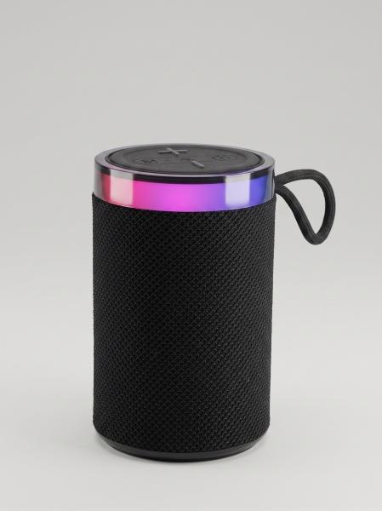
Item number | 5514 |  | VE | 10
EAN | 4262579320477 |  | Pieces per pallet | 1170
Customs number | 85182100 |  | Layers per pallet | 9
UPC | 0
Dimensions - item
Length(inch) | Width(inch) | Height(inch) | Weight(oz)
3.15 | 3.15 | 5.12 | 13,05

Dimensions - item packaging
Length(inch) | Width(inch) | Height(inch) | Tare(oz) | Weight(oz) product + packaging
5.12 | 3.35 | 3.35 | 1,45 | 14,11

Dimensions - VE box (master box)
Length(inch) | Width(inch) | Height(inch) | Weight(oz)
17.32 | 7.28 | 5.83 | 141,10

Packaging - components
Rest of accessories (oz) | Paper / cardboard (oz) | Styrofoam (oz) | Plastic hollow body(oz) | Plastic. foils(oz) | Composite materials (oz)
0,42 | 0,53 | 0,00 | 0,00 | 0,00 | 0,00

Battery / accumulator informations
Battery needed | Battery included | Type of battery | Battery system(typus)
No | Yes | Akku | LiPoly - Lithium-Polymer-Akku
Quantity(piece) | Weight per piece.(oz) | Energy density(WH/Kg) | Power (WH)
1 | 1,52 | 154.88 | 6.66

Lithium battery
Energy content | Weight (oz)
1.8 | 1,53

Further informations
Technaxx reseller portal

