Worksheet
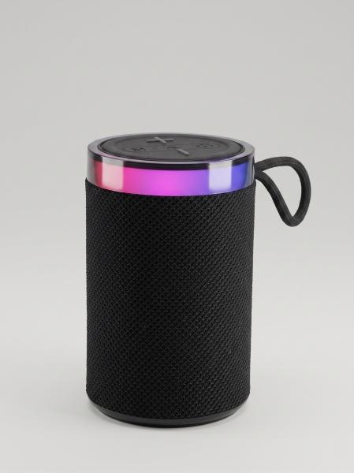
Item number | 5514 |  | VE | 10
EAN | 4262579320477 |  | Pieces per pallet | 1170
Customs number | 85182100 |  | Layers per pallet | 9

Dimensions - item
Length(cm) | Width(cm) | Height(cm) | Weight(g)
8 | 8 | 13 | 370

Dimensions - item packaging
Length(cm) | Width(cm) | Height(cm) | Tare(g) | Weight(g) product + packaging
13 | 8.5 | 8.5 | 41 | 400

Dimensions - VE box (master box)
Length(cm) | Width(cm) | Height(cm) | Weight(g)
44 | 18.5 | 14.8 | 4000

Packaging - components
Rest of accessories (g) | Paper / cardboard (g) | Styrofoam (g) | Plastic hollow body(g) | Plastic. foils(g) | Composite materials (g)
12 | 15 | 0 | 0 | 0 | 0

Battery / accumulator informations
Battery needed | Battery included | Type of battery | Battery system(typus)
No | Yes | Akku | LiPoly - Lithium-Polymer-Akku
Quantity(piece) | Weight per piece.(g) | Energy density(WH/Kg) | Power (WH)
1 | 43 | 154.88 | 6.66

Lithium battery
Energy content | Weight (Kg)
1.8 | 43.5

Further informations
Technaxx reseller portal

