Worksheet
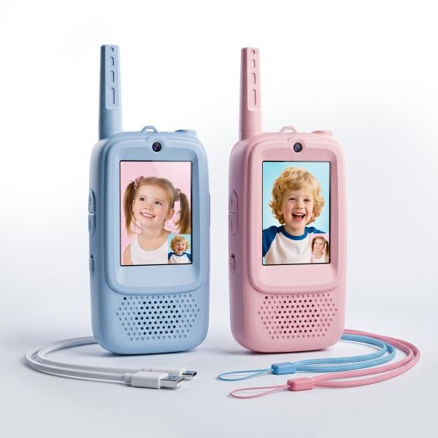
Technaxx socket with charging cable, 1X USB-A 2x C TX-352 White

Item number | 5513 |  | VE | 12
EAN | 4262579320385 |  | Pieces per pallet | 1008
Customs number | 85176910 |  | Layers per pallet | 6
UPC | 0
Dimensions - item
Length(inch) | Width(inch) | Height(inch) | Weight(oz)
5.12 | 2.09 | 0.87 | 2,08

Dimensions - item packaging
Length(inch) | Width(inch) | Height(inch) | Tare(oz) | Weight(oz) product + packaging
5.55 | 5.79 | 1.57 | 0,78 | 6,67

Dimensions - VE box (master box)
Length(inch) | Width(inch) | Height(inch) | Weight(oz)
12.6 | 10.75 | 7.09 | 88,18

Packaging - components
Rest of accessories (oz) | Paper / cardboard (oz) | Styrofoam (oz) | Plastic hollow body(oz) | Plastic. foils(oz) | Composite materials (oz)
1,06 | 0,78 | 0,00 | 0,00 | 0,00 | 0,00

Battery / accumulator informations
Battery needed | Battery included | Type of battery | Battery system(typus)
No | Yes | Akku | Li-Ion - Lithium-Ionen-Akku
Quantity(piece) | Weight per piece.(oz) | Energy density(WH/Kg) | Power (WH)
1 | 0,32 | 172 | 1.48

Lithium battery
Energy content | Weight (oz)
0.4 | 0,30

Further informations
Technaxx reseller portal

