Worksheet
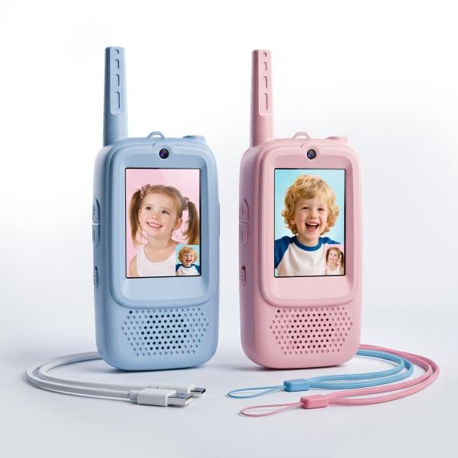
Technaxx socket with charging cable, 1X USB-A 2x C TX-352 White

Item number | 5513 |  | VE | 12
EAN | 4262579320385 |  | Pieces per pallet | 1008
Customs number | 85176910 |  | Layers per pallet | 6

Dimensions - item
Length(cm) | Width(cm) | Height(cm) | Weight(g)
13 | 5.3 | 2.2 | 59

Dimensions - item packaging
Length(cm) | Width(cm) | Height(cm) | Tare(g) | Weight(g) product + packaging
14.1 | 14.7 | 4 | 22 | 189

Dimensions - VE box (master box)
Length(cm) | Width(cm) | Height(cm) | Weight(g)
32 | 27.3 | 18 | 2500

Packaging - components
Rest of accessories (g) | Paper / cardboard (g) | Styrofoam (g) | Plastic hollow body(g) | Plastic. foils(g) | Composite materials (g)
30 | 22 | 0 | 0 | 0 | 0

Battery / accumulator informations
Battery needed | Battery included | Type of battery | Battery system(typus)
No | Yes | Akku | Li-Ion - Lithium-Ionen-Akku
Quantity(piece) | Weight per piece.(g) | Energy density(WH/Kg) | Power (WH)
1 | 9 | 172 | 1.48

Lithium battery
Energy content | Weight (Kg)
0.4 | 8.6

Further informations
Technaxx reseller portal

