Worksheet
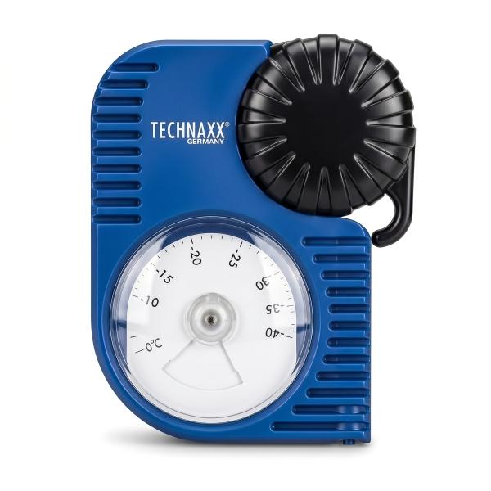
Technaxx Antifreeze Coolant Tester TX-415

Item number | 5507 |  | VE | 48
EAN | 4262579320323 |  | Pieces per pallet | 576
Customs number | 90258080 |  | Layers per pallet | 6
UPC | 0
Dimensions - item
Length(inch) | Width(inch) | Height(inch) | Weight(oz)
5.31 | 4.21 | 1.61 | 4,59

Dimensions - item packaging
Length(inch) | Width(inch) | Height(inch) | Tare(oz) | Weight(oz) product + packaging
7.64 | 4.29 | 1.73 | 0,00 | 0,00

Dimensions - VE box (master box)
Length(inch) | Width(inch) | Height(inch) | Weight(oz)
18.31 | 17.13 | 11.61 | 370,38

Packaging - components
Rest of accessories (oz) | Paper / cardboard (oz) | Styrofoam (oz) | Plastic hollow body(oz) | Plastic. foils(oz) | Composite materials (oz)
0,00 | 0,00 | 0,00 | 0,00 | 0,00 | 0,00

Further informations
Technaxx reseller portal

