Worksheet
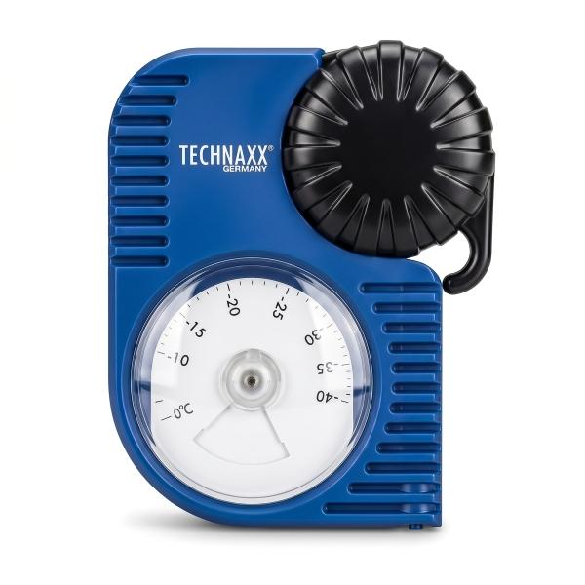
Technaxx Antifreeze Coolant Tester TX-415

Item number | 5507 |  | VE | 48
EAN | 4262579320323 |  | Pieces per pallet | 576
Customs number | 90258080 |  | Layers per pallet | 6

Dimensions - item
Length(cm) | Width(cm) | Height(cm) | Weight(g)
13.5 | 10.7 | 4.1 | 130

Dimensions - item packaging
Length(cm) | Width(cm) | Height(cm) | Tare(g) | Weight(g) product + packaging
19.4 | 10.9 | 4.4 | 0 | 0

Dimensions - VE box (master box)
Length(cm) | Width(cm) | Height(cm) | Weight(g)
46.5 | 43.5 | 29.5 | 10500

Packaging - components
Rest of accessories (g) | Paper / cardboard (g) | Styrofoam (g) | Plastic hollow body(g) | Plastic. foils(g) | Composite materials (g)
0 | 0 | 0 | 0 | 0 | 0

Further informations
Technaxx reseller portal

