Worksheet
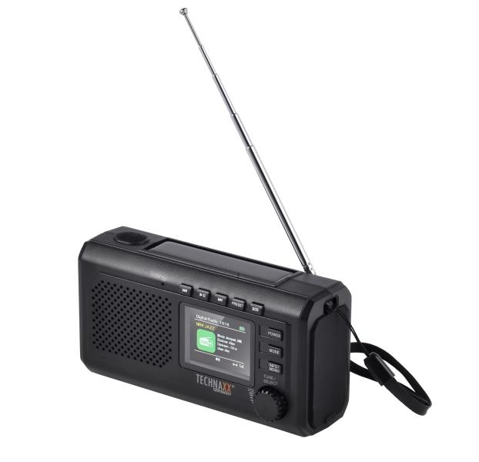
Technaxx Crank Emergency DAB Radio TX-414

Item number | 5506 |  | VE | 24
EAN | 4262579320286 |  | Pieces per pallet | no information
Customs number | 85271900 |  | Layers per pallet | no information
UPC | 0
Dimensions - item
Length(inch) | Width(inch) | Height(inch) | Weight(oz)
5.83 | 3.15 | 2.13 | 10,23

Dimensions - item packaging
Length(inch) | Width(inch) | Height(inch) | Tare(oz) | Weight(oz) product + packaging
5.91 | 3.94 | 2.56 | 0,00 | 0,00

Dimensions - VE box (master box)
Length(inch) | Width(inch) | Height(inch) | Weight(oz)
0 | 0 | 0 | 0,00

Packaging - components
Rest of accessories (oz) | Paper / cardboard (oz) | Styrofoam (oz) | Plastic hollow body(oz) | Plastic. foils(oz) | Composite materials (oz)
0,00 | 0,00 | 0,00 | 0,00 | 0,00 | 0,00

Further informations
Technaxx reseller portal

