Worksheet
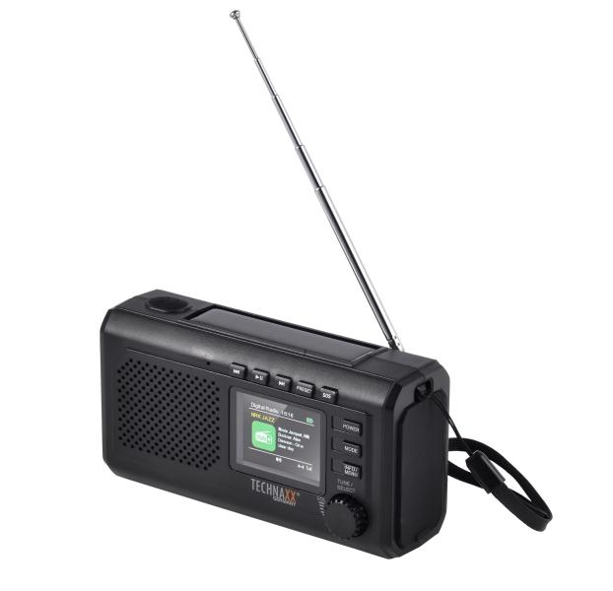
Technaxx Crank Emergency DAB Radio TX-414

Item number | 5506 |  | VE | 24
EAN | 4262579320286 |  | Pieces per pallet | no information
Customs number | 85271900 |  | Layers per pallet | no information

Dimensions - item
Length(cm) | Width(cm) | Height(cm) | Weight(g)
14.8 | 8 | 5.4 | 290

Dimensions - item packaging
Length(cm) | Width(cm) | Height(cm) | Tare(g) | Weight(g) product + packaging
15 | 10 | 6.5 | 0 | 0

Dimensions - VE box (master box)
Length(cm) | Width(cm) | Height(cm) | Weight(g)
0 | 0 | 0 | 0

Packaging - components
Rest of accessories (g) | Paper / cardboard (g) | Styrofoam (g) | Plastic hollow body(g) | Plastic. foils(g) | Composite materials (g)
0 | 0 | 0 | 0 | 0 | 0

Further informations
Technaxx reseller portal

