Worksheet
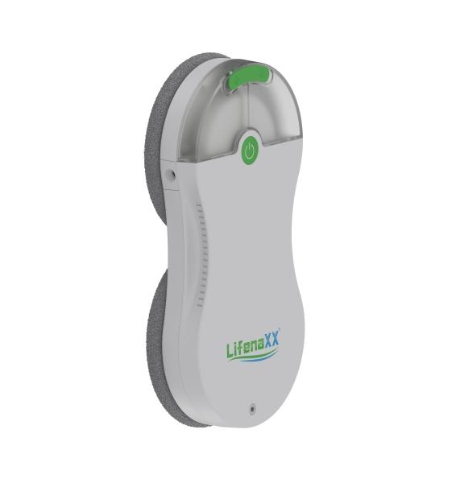
Lifenaxx Window Cleaning-Robot slim LX-083

Item number | 5471 |  | VE | 4
EAN | 4260358124766 |  | Pieces per pallet | 112
Customs number | 85081100 |  | Layers per pallet | 3
UPC | 0
Dimensions - item
Length(inch) | Width(inch) | Height(inch) | Weight(oz)
11.81 | 5.71 | 2.17 | 42,33

Dimensions - item packaging
Length(inch) | Width(inch) | Height(inch) | Tare(oz) | Weight(oz) product + packaging
12.99 | 10.43 | 4.13 | 0,00 | 95,24

Dimensions - VE box (master box)
Length(inch) | Width(inch) | Height(inch) | Weight(oz)
18.9 | 13.78 | 11.81 | 380,96

Packaging - components
Rest of accessories (oz) | Paper / cardboard (oz) | Styrofoam (oz) | Plastic hollow body(oz) | Plastic. foils(oz) | Composite materials (oz)
24,16 | 4,76 | 0,00 | 0,00 | 0,18 | 0,00

Battery / accumulator informations
Battery needed | Battery included | Type of battery | Battery system(typus)
Yes | Yes | Akku | Li-Ion - Lithium-Ionen-Akku
Quantity(piece) | Weight per piece.(oz) | Energy density(WH/Kg) | Power (WH)
1 | 2,61 | 0 | 0

Lithium battery
Energy content | Weight (oz)
0.5 | 2,61

Further informations
Technaxx reseller portal

