Worksheet
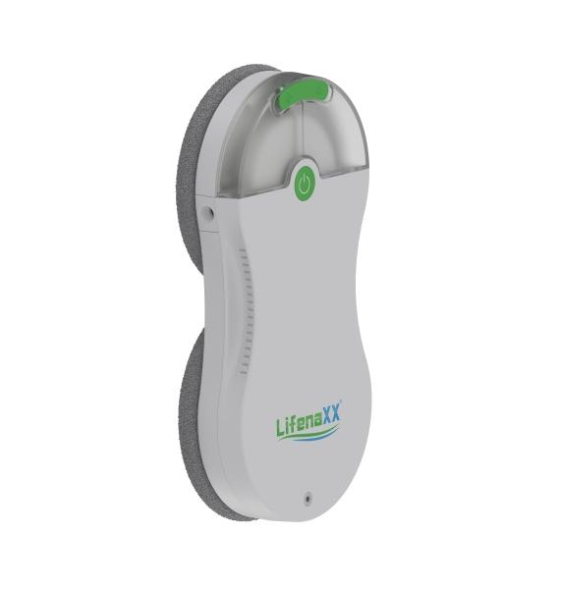
Lifenaxx Window Cleaning-Robot slim LX-083

Item number | 5471 |  | VE | 4
EAN | 4260358124766 |  | Pieces per pallet | 112
Customs number | 85081100 |  | Layers per pallet | 3

Dimensions - item
Length(cm) | Width(cm) | Height(cm) | Weight(g)
30 | 14.5 | 5.5 | 1200

Dimensions - item packaging
Length(cm) | Width(cm) | Height(cm) | Tare(g) | Weight(g) product + packaging
33 | 26.5 | 10.5 | 0 | 2700

Dimensions - VE box (master box)
Length(cm) | Width(cm) | Height(cm) | Weight(g)
48 | 35 | 30 | 10800

Packaging - components
Rest of accessories (g) | Paper / cardboard (g) | Styrofoam (g) | Plastic hollow body(g) | Plastic. foils(g) | Composite materials (g)
685 | 135 | 0 | 0 | 5 | 0

Battery / accumulator informations
Battery needed | Battery included | Type of battery | Battery system(typus)
Yes | Yes | Akku | Li-Ion - Lithium-Ionen-Akku
Quantity(piece) | Weight per piece.(g) | Energy density(WH/Kg) | Power (WH)
1 | 74 | 0 | 0

Lithium battery
Energy content | Weight (Kg)
0.5 | 74

Further informations
Technaxx reseller portal

