Worksheet
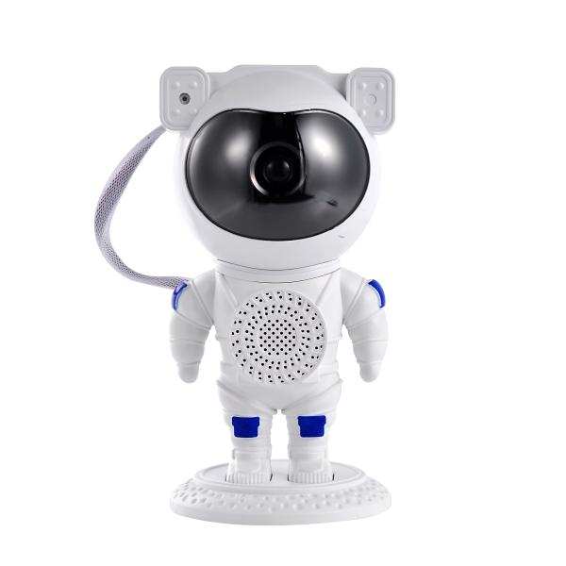
Trendgeek Astronaut Projector with Speaker TG-135

Item number | 5470 |  | VE | 16
EAN | 4260101734488 |  | Pieces per pallet | no information
Customs number | 94054231 |  | Layers per pallet | 6
UPC | 0
Dimensions - item
Length(inch) | Width(inch) | Height(inch) | Weight(oz)
4.92 | 4.72 | 9.17 | 13,93

Dimensions - item packaging
Length(inch) | Width(inch) | Height(inch) | Tare(oz) | Weight(oz) product + packaging
9.45 | 4.92 | 4.72 | 0,00 | 18,91

Dimensions - VE box (master box)
Length(inch) | Width(inch) | Height(inch) | Weight(oz)
21.06 | 20.28 | 10.24 | 423,29

Packaging - components
Rest of accessories (oz) | Paper / cardboard (oz) | Styrofoam (oz) | Plastic hollow body(oz) | Plastic. foils(oz) | Composite materials (oz)
0,00 | 0,00 | 0,00 | 0,00 | 0,00 | 0,00

Further informations
Technaxx reseller portal

