Worksheet
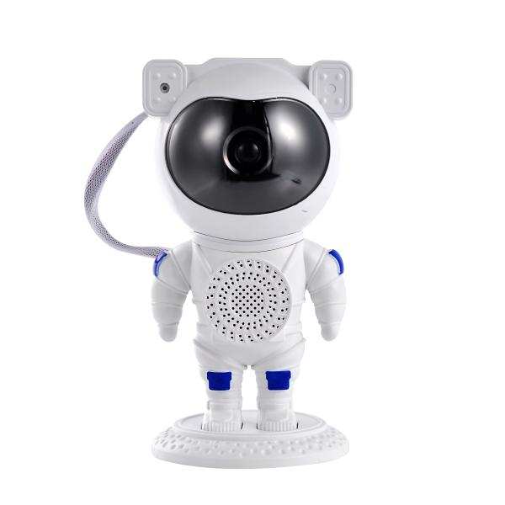
Trendgeek Astronaut Projector with Speaker TG-135

Item number | 5470 |  | VE | 16
EAN | 4260101734488 |  | Pieces per pallet | no information
Customs number | 94054231 |  | Layers per pallet | 6

Dimensions - item
Length(cm) | Width(cm) | Height(cm) | Weight(g)
12.5 | 12 | 23.3 | 395

Dimensions - item packaging
Length(cm) | Width(cm) | Height(cm) | Tare(g) | Weight(g) product + packaging
24 | 12.5 | 12 | 0 | 536

Dimensions - VE box (master box)
Length(cm) | Width(cm) | Height(cm) | Weight(g)
53.5 | 51.5 | 26 | 12000

Packaging - components
Rest of accessories (g) | Paper / cardboard (g) | Styrofoam (g) | Plastic hollow body(g) | Plastic. foils(g) | Composite materials (g)
0 | 0 | 0 | 0 | 0 | 0

Further informations
Technaxx reseller portal

