Worksheet
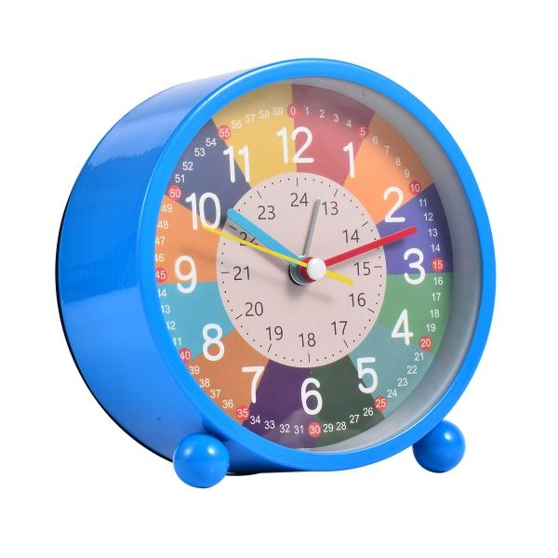
Trendgeek Children's Learning Alarm Clock TG-132 blue

Item number | 5467 |  | VE | no information
EAN | 4260101737410 |  | Pieces per pallet | 960
Customs number | 91051100 |  | Layers per pallet | no information
UPC | 0
Dimensions - item
Length(inch) | Width(inch) | Height(inch) | Weight(oz)
4.45 | 4.61 | 2.17 | 7,80

Dimensions - item packaging
Length(inch) | Width(inch) | Height(inch) | Tare(oz) | Weight(oz) product + packaging
5.02 | 4.92 | 2.68 | 1,76 | 9,56

Dimensions - VE box (master box)
Length(inch) | Width(inch) | Height(inch) | Weight(oz)
0 | 0 | 0 | 0,00

Packaging - components
Rest of accessories (oz) | Paper / cardboard (oz) | Styrofoam (oz) | Plastic hollow body(oz) | Plastic. foils(oz) | Composite materials (oz)
0,00 | 1,62 | 0,00 | 0,00 | 0,07 | 0,00

Battery / accumulator informations
Battery needed | Battery included | Type of battery | Battery system(typus)
Yes | Yes | Mignon-Batterie AA | Zn-C - Zink-Kohle-Batterie
Quantity(piece) | Weight per piece.(oz) | Energy density(WH/Kg) | Power (WH)
1 | 0,49 | 72 | 1

Lithium battery
Energy content | Weight (oz)
0 | 0,00

Further informations
Technaxx reseller portal

