Worksheet
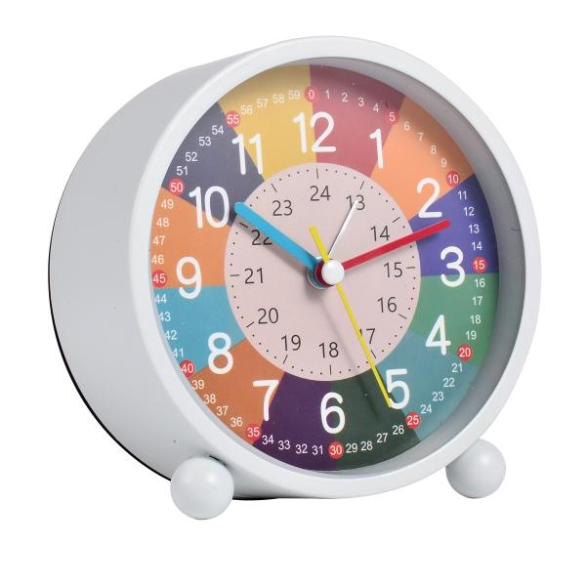
Trendgeek Children's Learning Alarm Clock TG-132 white

Item number | 5465 |  | VE | 60
EAN | 4260101737373 |  | Pieces per pallet | 960
Customs number | 91051100 |  | Layers per pallet | no information

Dimensions - item
Length(cm) | Width(cm) | Height(cm) | Weight(g)
11.3 | 11.7 | 5.5 | 221

Dimensions - item packaging
Length(cm) | Width(cm) | Height(cm) | Tare(g) | Weight(g) product + packaging
12.75 | 12.5 | 5.5 | 50 | 271

Dimensions - VE box (master box)
Length(cm) | Width(cm) | Height(cm) | Weight(g)
0 | 0 | 0 | 0

Packaging - components
Rest of accessories (g) | Paper / cardboard (g) | Styrofoam (g) | Plastic hollow body(g) | Plastic. foils(g) | Composite materials (g)
0 | 46 | 0 | 0 | 2 | 0

Battery / accumulator informations
Battery needed | Battery included | Type of battery | Battery system(typus)
Yes | Yes | Mignon-Batterie AA | Zn-C - Zink-Kohle-Batterie
Quantity(piece) | Weight per piece.(g) | Energy density(WH/Kg) | Power (WH)
1 | 14 | 72 | 1

Lithium battery
Energy content | Weight (Kg)
0 | 0

Further informations
Technaxx reseller portal

