Worksheet
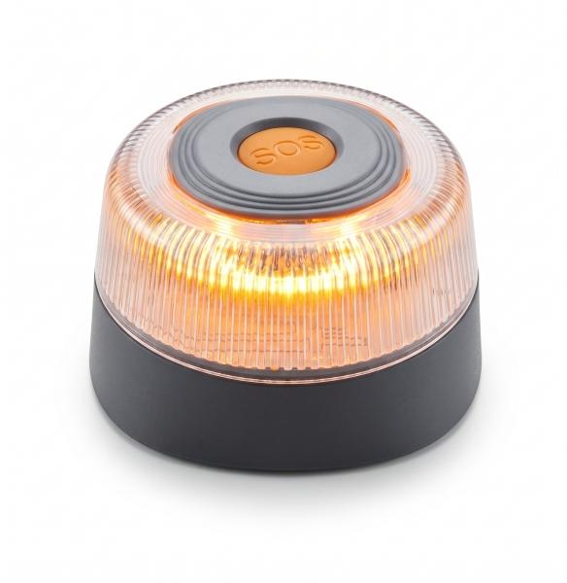
Technaxx Warning Beacon TX-395

Item number | 5448 |  | VE | 48
EAN | 4262579320293 |  | Pieces per pallet | 2800
Customs number | 8512200090 |  | Layers per pallet | no information
UPC | 0
Dimensions - item
Length(inch) | Width(inch) | Height(inch) | Weight(oz)
3.54 | 3.54 | 1.99 | 6,17

Dimensions - item packaging
Length(inch) | Width(inch) | Height(inch) | Tare(oz) | Weight(oz) product + packaging
3.62 | 3.62 | 2.09 | 0,88 | 7,05

Dimensions - VE box (master box)
Length(inch) | Width(inch) | Height(inch) | Weight(oz)
11.81 | 19.29 | 8.27 | 395,07

Packaging - components
Rest of accessories (oz) | Paper / cardboard (oz) | Styrofoam (oz) | Plastic hollow body(oz) | Plastic. foils(oz) | Composite materials (oz)
0,00 | 0,00 | 0,00 | 0,00 | 0,00 | 0,00

Battery / accumulator informations
Battery needed | Battery included | Type of battery | Battery system(typus)
Yes | Yes | 9V-Block-Batterie E-Block | Keine
Quantity(piece) | Weight per piece.(oz) | Energy density(WH/Kg) | Power (WH)
1 | 0,00 | 0 | 0

Lithium battery
Energy content | Weight (oz)
0 | 0,00

Further informations
Technaxx reseller portal

