Worksheet
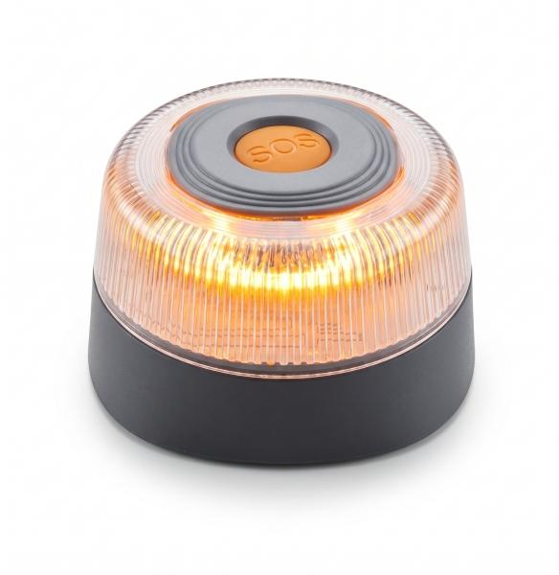
Technaxx Warning Beacon TX-395

Item number | 5448 |  | VE | 48
EAN | 4262579320293 |  | Pieces per pallet | 2800
Customs number | 8512200090 |  | Layers per pallet | no information

Dimensions - item
Length(cm) | Width(cm) | Height(cm) | Weight(g)
9 | 9 | 5.05 | 175

Dimensions - item packaging
Length(cm) | Width(cm) | Height(cm) | Tare(g) | Weight(g) product + packaging
9.2 | 9.2 | 5.3 | 25 | 200

Dimensions - VE box (master box)
Length(cm) | Width(cm) | Height(cm) | Weight(g)
30 | 49 | 21 | 11200

Packaging - components
Rest of accessories (g) | Paper / cardboard (g) | Styrofoam (g) | Plastic hollow body(g) | Plastic. foils(g) | Composite materials (g)
0 | 0 | 0 | 0 | 0 | 0

Battery / accumulator informations
Battery needed | Battery included | Type of battery | Battery system(typus)
Yes | Yes | 9V-Block-Batterie E-Block | Keine
Quantity(piece) | Weight per piece.(g) | Energy density(WH/Kg) | Power (WH)
1 | 0 | 0 | 0

Lithium battery
Energy content | Weight (Kg)
0 | 0

Further informations
Technaxx reseller portal

