Worksheet
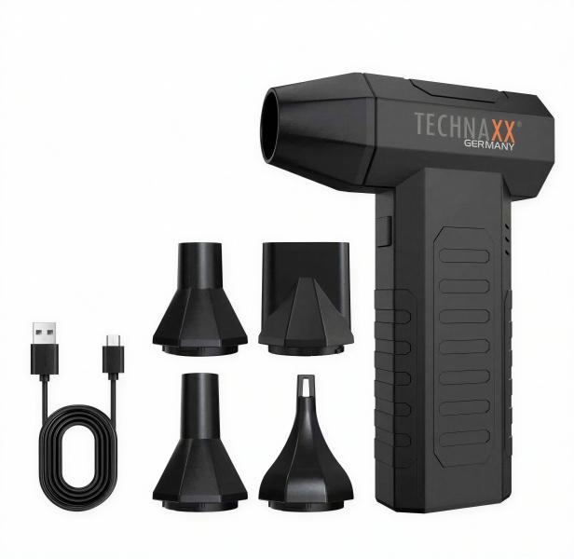
Technaxx Electric Air Duster Pro TX-391

Item number | 5442 |  | VE | 50
EAN | 4260101733481 |  | Pieces per pallet | 1500
Customs number | 8414599590 |  | Layers per pallet | 5
UPC | 0
Dimensions - item
Length(inch) | Width(inch) | Height(inch) | Weight(oz)
2.56 | 1.46 | 5.63 | 7,97

Dimensions - item packaging
Length(inch) | Width(inch) | Height(inch) | Tare(oz) | Weight(oz) product + packaging
4.33 | 1.89 | 6.69 | 2,82 | 14,11

Dimensions - VE box (master box)
Length(inch) | Width(inch) | Height(inch) | Weight(oz)
22.76 | 10.24 | 14.09 | 592,60

Packaging - components
Rest of accessories (oz) | Paper / cardboard (oz) | Styrofoam (oz) | Plastic hollow body(oz) | Plastic. foils(oz) | Composite materials (oz)
0,00 | 0,00 | 0,00 | 0,00 | 0,00 | 0,00

Battery / accumulator informations
Battery needed | Battery included | Type of battery | Battery system(typus)
No | Yes | Akku | Li-Ion - Lithium-Ionen-Akku
Quantity(piece) | Weight per piece.(oz) | Energy density(WH/Kg) | Power (WH)
1 | 1,59 | 164 | 7.4

Lithium battery
Energy content | Weight (oz)
2000 | 1,59

Further informations
Technaxx reseller portal

