Worksheet
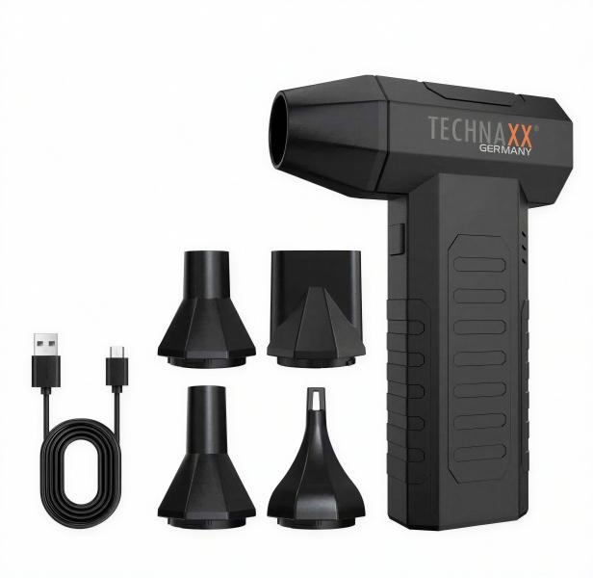
Technaxx Electric Air Duster Pro TX-391

Item number | 5442 |  | VE | 50
EAN | 4260101733481 |  | Pieces per pallet | 1500
Customs number | 8414599590 |  | Layers per pallet | 5

Dimensions - item
Length(cm) | Width(cm) | Height(cm) | Weight(g)
6.5 | 3.7 | 14.3 | 226

Dimensions - item packaging
Length(cm) | Width(cm) | Height(cm) | Tare(g) | Weight(g) product + packaging
11 | 4.8 | 17 | 80 | 400

Dimensions - VE box (master box)
Length(cm) | Width(cm) | Height(cm) | Weight(g)
57.8 | 26 | 35.8 | 16800

Packaging - components
Rest of accessories (g) | Paper / cardboard (g) | Styrofoam (g) | Plastic hollow body(g) | Plastic. foils(g) | Composite materials (g)
0 | 0 | 0 | 0 | 0 | 0

Battery / accumulator informations
Battery needed | Battery included | Type of battery | Battery system(typus)
No | Yes | Akku | Li-Ion - Lithium-Ionen-Akku
Quantity(piece) | Weight per piece.(g) | Energy density(WH/Kg) | Power (WH)
1 | 45 | 164 | 7.4

Lithium battery
Energy content | Weight (Kg)
2000 | 45

Further informations
Technaxx reseller portal

