Worksheet
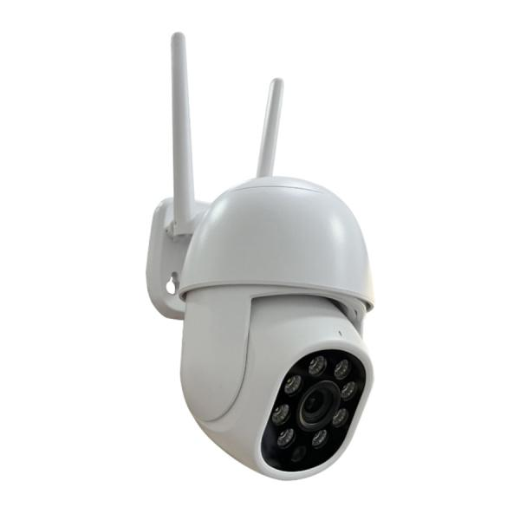
Technaxx Mini PT Outdoor Camera TX-390

Item number | 5440 |  | VE | no information
EAN | 4260101732378 |  | Pieces per pallet | no information
Customs number | 85258100 |  | Layers per pallet | no information
UPC | 0
Dimensions - item
Length(inch) | Width(inch) | Height(inch) | Weight(oz)
6.3 | 5.51 | 3.94 | 10,41

Dimensions - item packaging
Length(inch) | Width(inch) | Height(inch) | Tare(oz) | Weight(oz) product + packaging
7.68 | 7.48 | 4.72 | 5,40 | 22,89

Dimensions - VE box (master box)
Length(inch) | Width(inch) | Height(inch) | Weight(oz)
0 | 0 | 0 | 0,00

Packaging - components
Rest of accessories (oz) | Paper / cardboard (oz) | Styrofoam (oz) | Plastic hollow body(oz) | Plastic. foils(oz) | Composite materials (oz)
0,00 | 3,35 | 0,00 | 0,00 | 0,46 | 0,00

Further informations
Technaxx reseller portal

