Worksheet
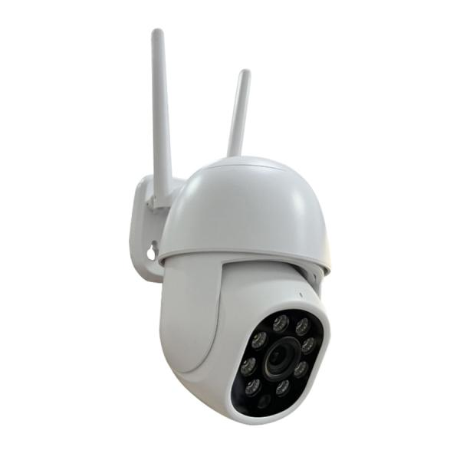
Technaxx Mini PT Outdoor Camera TX-390

Item number | 5440 |  | VE | no information
EAN | 4260101732378 |  | Pieces per pallet | no information
Customs number | 85258100 |  | Layers per pallet | no information

Dimensions - item
Length(cm) | Width(cm) | Height(cm) | Weight(g)
16 | 14 | 10 | 295

Dimensions - item packaging
Length(cm) | Width(cm) | Height(cm) | Tare(g) | Weight(g) product + packaging
19.5 | 19 | 12 | 153 | 649

Dimensions - VE box (master box)
Length(cm) | Width(cm) | Height(cm) | Weight(g)
0 | 0 | 0 | 0

Packaging - components
Rest of accessories (g) | Paper / cardboard (g) | Styrofoam (g) | Plastic hollow body(g) | Plastic. foils(g) | Composite materials (g)
0 | 95 | 0 | 0 | 13 | 0

Further informations
Technaxx reseller portal

