Worksheet
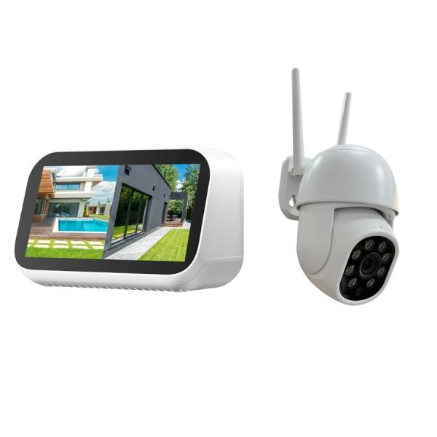
Technaxx Mini Surveillance Camera Set with Touchscreen TX-389

Item number | 5439 |  | VE | 24
EAN | 4260101733054 |  | Pieces per pallet | no information
Customs number | 85258100 |  | Layers per pallet | no information
UPC | 0
Dimensions - item
Length(inch) | Width(inch) | Height(inch) | Weight(oz)
4.72 | 3.15 | 2.76 | 7,05

Dimensions - item packaging
Length(inch) | Width(inch) | Height(inch) | Tare(oz) | Weight(oz) product + packaging
11.81 | 7.09 | 4.72 | 6,63 | 38,17

Dimensions - VE box (master box)
Length(inch) | Width(inch) | Height(inch) | Weight(oz)
23.82 | 20.08 | 15.55 | 582,02

Packaging - components
Rest of accessories (oz) | Paper / cardboard (oz) | Styrofoam (oz) | Plastic hollow body(oz) | Plastic. foils(oz) | Composite materials (oz)
0,00 | 6,00 | 0,88 | 0,00 | 0,07 | 0,00

Further informations
Technaxx reseller portal

