Worksheet
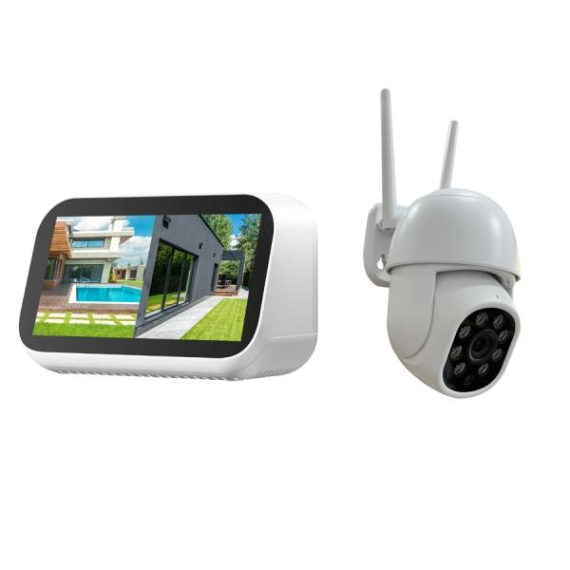
Technaxx Mini Surveillance Camera Set with Touchscreen TX-389

Item number | 5439 |  | VE | 24
EAN | 4260101733054 |  | Pieces per pallet | no information
Customs number | 85258100 |  | Layers per pallet | no information

Dimensions - item
Length(cm) | Width(cm) | Height(cm) | Weight(g)
12 | 8 | 7 | 200

Dimensions - item packaging
Length(cm) | Width(cm) | Height(cm) | Tare(g) | Weight(g) product + packaging
30 | 18 | 12 | 188 | 1082

Dimensions - VE box (master box)
Length(cm) | Width(cm) | Height(cm) | Weight(g)
60.5 | 51 | 39.5 | 16500

Packaging - components
Rest of accessories (g) | Paper / cardboard (g) | Styrofoam (g) | Plastic hollow body(g) | Plastic. foils(g) | Composite materials (g)
0 | 170 | 25 | 0 | 2 | 0

Further informations
Technaxx reseller portal

