Worksheet
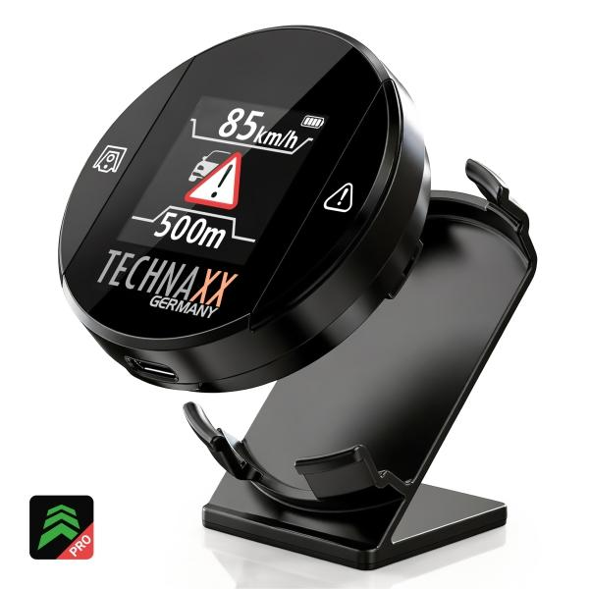
Technaxx Secure Drive PRO with Display TX-388

Item number | 5429 |  | VE | 60
EAN | 4260101733474 |  | Pieces per pallet | 1500
Customs number | 85176990 |  | Layers per pallet | 5
UPC | 0
Dimensions - item
Length(inch) | Width(inch) | Height(inch) | Weight(oz)
1.97 | 1.97 | 0.71 | 1,41

Dimensions - item packaging
Length(inch) | Width(inch) | Height(inch) | Tare(oz) | Weight(oz) product + packaging
4.57 | 3.74 | 1.46 | 2,12 | 4,23

Dimensions - VE box (master box)
Length(inch) | Width(inch) | Height(inch) | Weight(oz)
24.8 | 12.2 | 9.84 | 294,54

Packaging - components
Rest of accessories (oz) | Paper / cardboard (oz) | Styrofoam (oz) | Plastic hollow body(oz) | Plastic. foils(oz) | Composite materials (oz)
0,00 | 0,35 | 0,00 | 0,00 | 0,00 | 0,00

Battery / accumulator informations
Battery needed | Battery included | Type of battery | Battery system(typus)
No | Yes | Akku | Li-Ion - Lithium-Ionen-Akku
Quantity(piece) | Weight per piece.(oz) | Energy density(WH/Kg) | Power (WH)
1 | 0,00 | 0 | 0

Lithium battery
Energy content | Weight (oz)
600 | 0,00

Further informations
Technaxx reseller portal

