Worksheet
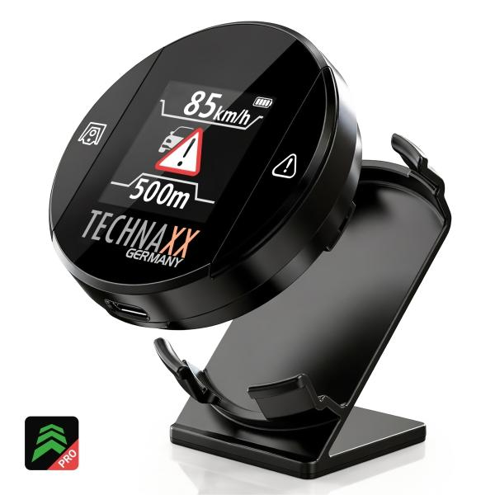
Technaxx Secure Drive PRO with Display TX-388

Item number | 5429 |  | VE | 60
EAN | 4260101733474 |  | Pieces per pallet | 1500
Customs number | 85176990 |  | Layers per pallet | 5

Dimensions - item
Length(cm) | Width(cm) | Height(cm) | Weight(g)
5 | 5 | 1.8 | 40

Dimensions - item packaging
Length(cm) | Width(cm) | Height(cm) | Tare(g) | Weight(g) product + packaging
11.6 | 9.5 | 3.7 | 60 | 120

Dimensions - VE box (master box)
Length(cm) | Width(cm) | Height(cm) | Weight(g)
63 | 31 | 25 | 8350

Packaging - components
Rest of accessories (g) | Paper / cardboard (g) | Styrofoam (g) | Plastic hollow body(g) | Plastic. foils(g) | Composite materials (g)
0 | 10 | 0 | 0 | 0 | 0

Battery / accumulator informations
Battery needed | Battery included | Type of battery | Battery system(typus)
No | Yes | Akku | Li-Ion - Lithium-Ionen-Akku
Quantity(piece) | Weight per piece.(g) | Energy density(WH/Kg) | Power (WH)
1 | 0 | 0 | 0

Lithium battery
Energy content | Weight (Kg)
600 | 0

Further informations
Technaxx reseller portal

