Worksheet
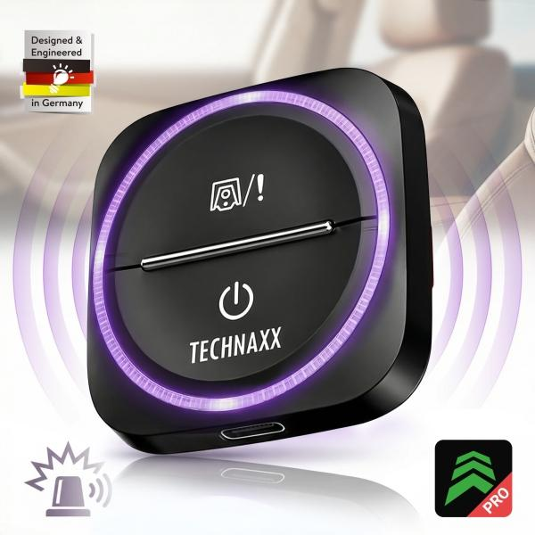
Technaxx Secure Drive Mini TX-387

Item number | 5428 |  | VE | 60
EAN | 4260101733467 |  | Pieces per pallet | 3600
Customs number | 85176990 |  | Layers per pallet | 6
UPC | 0
Dimensions - item
Length(inch) | Width(inch) | Height(inch) | Weight(oz)
1.97 | 1.97 | 0.71 | 1,06

Dimensions - item packaging
Length(inch) | Width(inch) | Height(inch) | Tare(oz) | Weight(oz) product + packaging
4.02 | 4.21 | 0.83 | 1,41 | 2,47

Dimensions - VE box (master box)
Length(inch) | Width(inch) | Height(inch) | Weight(oz)
13.78 | 9.84 | 11.81 | 223,99

Packaging - components
Rest of accessories (oz) | Paper / cardboard (oz) | Styrofoam (oz) | Plastic hollow body(oz) | Plastic. foils(oz) | Composite materials (oz)
0,00 | 1,41 | 0,00 | 0,00 | 0,00 | 0,00

Battery / accumulator informations
Battery needed | Battery included | Type of battery | Battery system(typus)
No | Yes | Akku | Li-Ion - Lithium-Ionen-Akku
Quantity(piece) | Weight per piece.(oz) | Energy density(WH/Kg) | Power (WH)
1 | 0,35 | 109 | 1.04

Lithium battery
Energy content | Weight (oz)
0.28 | 0,34

Further informations
Technaxx reseller portal

