Worksheet
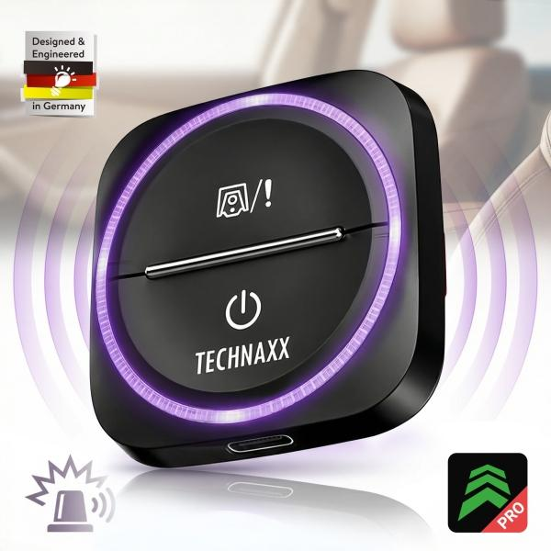
Technaxx Secure Drive Mini TX-387

Item number | 5428 |  | VE | 60
EAN | 4260101733467 |  | Pieces per pallet | 3600
Customs number | 85176990 |  | Layers per pallet | 6

Dimensions - item
Length(cm) | Width(cm) | Height(cm) | Weight(g)
5 | 5 | 1.8 | 30

Dimensions - item packaging
Length(cm) | Width(cm) | Height(cm) | Tare(g) | Weight(g) product + packaging
10.2 | 10.7 | 2.1 | 40 | 70

Dimensions - VE box (master box)
Length(cm) | Width(cm) | Height(cm) | Weight(g)
35 | 25 | 30 | 6350

Packaging - components
Rest of accessories (g) | Paper / cardboard (g) | Styrofoam (g) | Plastic hollow body(g) | Plastic. foils(g) | Composite materials (g)
0 | 40 | 0 | 0 | 0 | 0

Battery / accumulator informations
Battery needed | Battery included | Type of battery | Battery system(typus)
No | Yes | Akku | Li-Ion - Lithium-Ionen-Akku
Quantity(piece) | Weight per piece.(g) | Energy density(WH/Kg) | Power (WH)
1 | 10 | 109 | 1.04

Lithium battery
Energy content | Weight (Kg)
0.28 | 9.5

Further informations
Technaxx reseller portal

