Worksheet
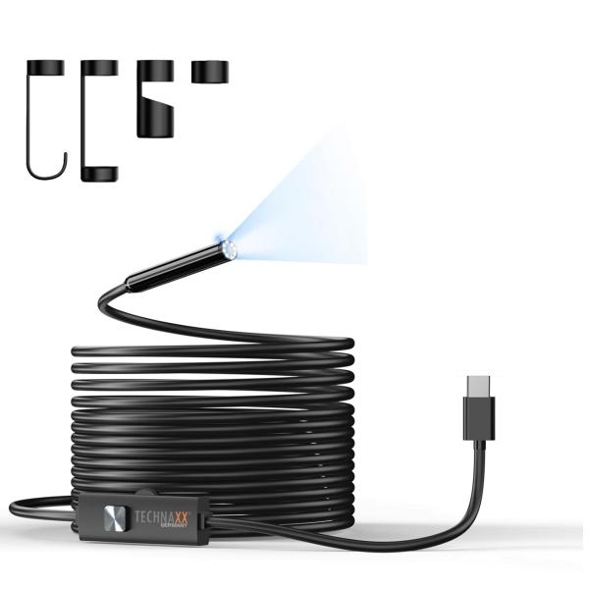
Technaxx USB-C Endoscope camera with light TX-386

Item number | 5427 |  | VE | 40
EAN | 4260101732323 |  | Pieces per pallet | 760
Customs number | 85258900 |  | Layers per pallet | 8
UPC | 0
Dimensions - item
Length(inch) | Width(inch) | Height(inch) | Weight(oz)
196.85 | 0.79 | 0.39 | 6,35

Dimensions - item packaging
Length(inch) | Width(inch) | Height(inch) | Tare(oz) | Weight(oz) product + packaging
4.72 | 4.72 | 1.46 | 1,38 | 7,76

Dimensions - VE box (master box)
Length(inch) | Width(inch) | Height(inch) | Weight(oz)
25.79 | 18.11 | 7.87 | 352,74

Packaging - components
Rest of accessories (oz) | Paper / cardboard (oz) | Styrofoam (oz) | Plastic hollow body(oz) | Plastic. foils(oz) | Composite materials (oz)
0,00 | 2,01 | 0,00 | 0,00 | 0,00 | 0,00

Further informations
Technaxx reseller portal

