Worksheet
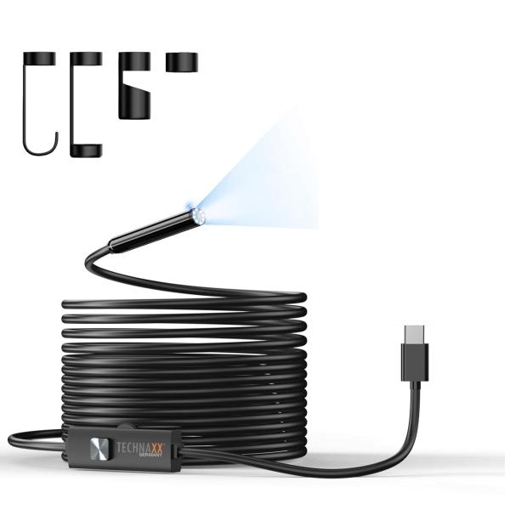
Technaxx USB-C Endoscope camera with light TX-386

Item number | 5427 |  | VE | 40
EAN | 4260101732323 |  | Pieces per pallet | 760
Customs number | 85258900 |  | Layers per pallet | 8

Dimensions - item
Length(cm) | Width(cm) | Height(cm) | Weight(g)
500 | 2 | 1 | 180

Dimensions - item packaging
Length(cm) | Width(cm) | Height(cm) | Tare(g) | Weight(g) product + packaging
12 | 12 | 3.7 | 39 | 220

Dimensions - VE box (master box)
Length(cm) | Width(cm) | Height(cm) | Weight(g)
65.5 | 46 | 20 | 10000

Packaging - components
Rest of accessories (g) | Paper / cardboard (g) | Styrofoam (g) | Plastic hollow body(g) | Plastic. foils(g) | Composite materials (g)
0 | 57 | 0 | 0 | 0 | 0

Further informations
Technaxx reseller portal

