Worksheet
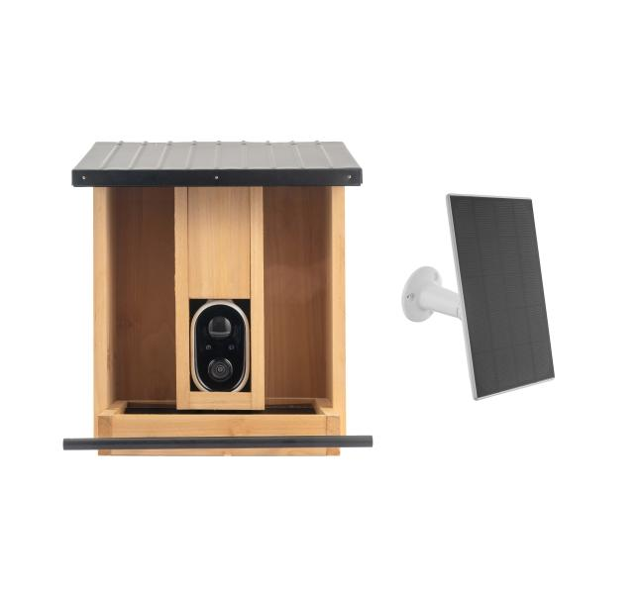
Technaxx WiFi Birdcam Feeder TX-384

Item number | 5422 |  | VE | 4
EAN | 4260101732187 |  | Pieces per pallet | 40
Customs number | 85258900 |  | Layers per pallet | 5
UPC | 0
Dimensions - item
Length(inch) | Width(inch) | Height(inch) | Weight(oz)
12.01 | 10.24 | 10.24 | 70,90

Dimensions - item packaging
Length(inch) | Width(inch) | Height(inch) | Tare(oz) | Weight(oz) product + packaging
12.8 | 11.02 | 8.66 | 14,64 | 116,12

Dimensions - VE box (master box)
Length(inch) | Width(inch) | Height(inch) | Weight(oz)
22.44 | 18.11 | 13.19 | 490,66

Packaging - components
Rest of accessories (oz) | Paper / cardboard (oz) | Styrofoam (oz) | Plastic hollow body(oz) | Plastic. foils(oz) | Composite materials (oz)
0,00 | 13,09 | 0,00 | 2,26 | 0,42 | 0,00

Battery / accumulator informations
Battery needed | Battery included | Type of battery | Battery system(typus)
Yes | Yes | Akku | Li-Ion - Lithium-Ionen-Akku
Quantity(piece) | Weight per piece.(oz) | Energy density(WH/Kg) | Power (WH)
1 | 3,28 | 206.88 | 19.24

Lithium battery
Energy content | Weight (oz)
0 | 0,00

Further informations
Technaxx reseller portal

