Worksheet
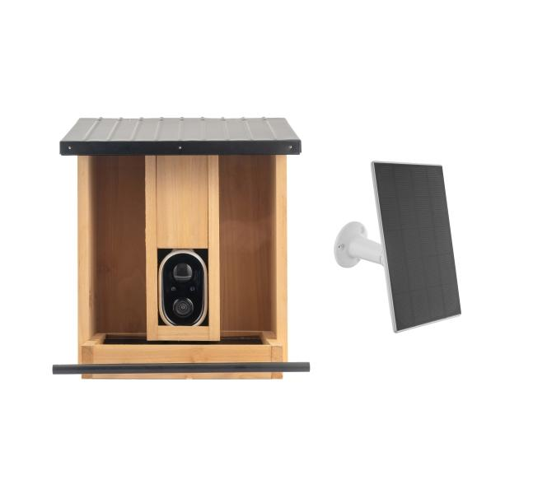
Technaxx WiFi Birdcam Feeder TX-384

Item number | 5422 |  | VE | 4
EAN | 4260101732187 |  | Pieces per pallet | 40
Customs number | 85258900 |  | Layers per pallet | 5

Dimensions - item
Length(cm) | Width(cm) | Height(cm) | Weight(g)
30.5 | 26 | 26 | 2010

Dimensions - item packaging
Length(cm) | Width(cm) | Height(cm) | Tare(g) | Weight(g) product + packaging
32.5 | 28 | 22 | 415 | 3292

Dimensions - VE box (master box)
Length(cm) | Width(cm) | Height(cm) | Weight(g)
57 | 46 | 33.5 | 13910

Packaging - components
Rest of accessories (g) | Paper / cardboard (g) | Styrofoam (g) | Plastic hollow body(g) | Plastic. foils(g) | Composite materials (g)
0 | 371 | 0 | 64 | 12 | 0

Battery / accumulator informations
Battery needed | Battery included | Type of battery | Battery system(typus)
Yes | Yes | Akku | Li-Ion - Lithium-Ionen-Akku
Quantity(piece) | Weight per piece.(g) | Energy density(WH/Kg) | Power (WH)
1 | 93 | 206.88 | 19.24

Lithium battery
Energy content | Weight (Kg)
0 | 0

Further informations
Technaxx reseller portal

