Worksheet
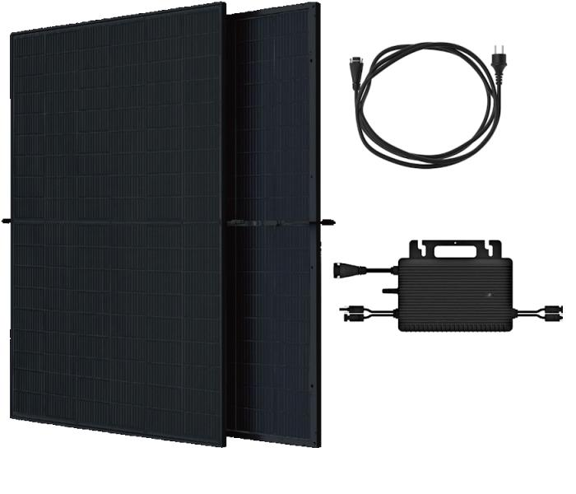
Technaxx Bifacial Solar Balcony Power Plant 800W WiFi TX-354

Item number | 5421 |  | VE | 10
EAN | 4260101732101 |  | Pieces per pallet | no information
Customs number | 85018000 |  | Layers per pallet | 10
UPC | 0
Dimensions - item
Length(inch) | Width(inch) | Height(inch) | Weight(oz)
69.45 | 44.65 | 1.18 | 1.940,07

Dimensions - item packaging
Length(inch) | Width(inch) | Height(inch) | Tare(oz) | Weight(oz) product + packaging
72.64 | 47.24 | 3.94 | 0,00 | 2.045,89

Dimensions - VE box (master box)
Length(inch) | Width(inch) | Height(inch) | Weight(oz)
72.83 | 47.24 | 46.06 | 20.458,90

Packaging - components
Rest of accessories (oz) | Paper / cardboard (oz) | Styrofoam (oz) | Plastic hollow body(oz) | Plastic. foils(oz) | Composite materials (oz)
0,00 | 0,00 | 0,00 | 0,00 | 0,00 | 0,00

Further informations
Technaxx reseller portal

