Worksheet
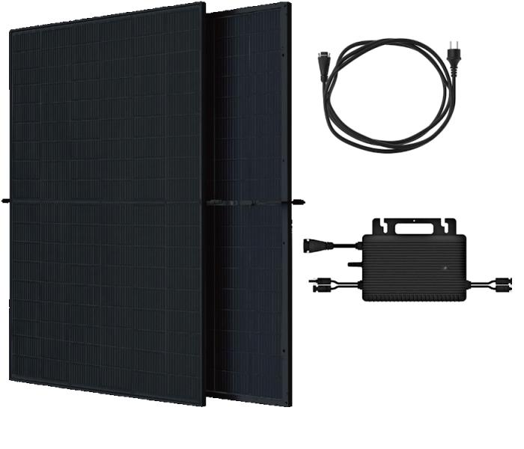
Technaxx Bifacial Solar Balcony Power Plant 800W WiFi TX-354

Item number | 5421 |  | VE | 10
EAN | 4260101732101 |  | Pieces per pallet | no information
Customs number | 85018000 |  | Layers per pallet | 10

Dimensions - item
Length(cm) | Width(cm) | Height(cm) | Weight(g)
176.4 | 113.4 | 3 | 55000

Dimensions - item packaging
Length(cm) | Width(cm) | Height(cm) | Tare(g) | Weight(g) product + packaging
184.5 | 120 | 10 | 0 | 58000

Dimensions - VE box (master box)
Length(cm) | Width(cm) | Height(cm) | Weight(g)
185 | 120 | 117 | 580000

Packaging - components
Rest of accessories (g) | Paper / cardboard (g) | Styrofoam (g) | Plastic hollow body(g) | Plastic. foils(g) | Composite materials (g)
0 | 0 | 0 | 0 | 0 | 0

Further informations
Technaxx reseller portal

