Worksheet
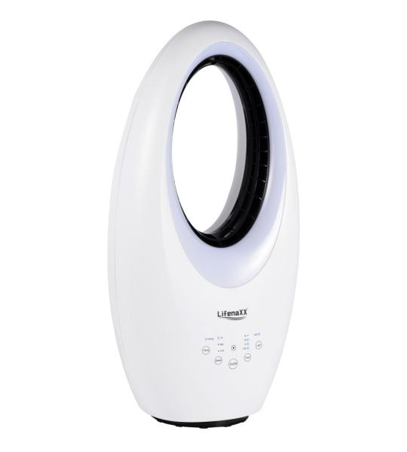
Lifenaxx Blade-less Fan with LED + Oscillation LX-080

Item number | 5420 |  | VE | 1
EAN | 4260101731654 |  | Pieces per pallet | 18
Customs number | 8414510090 |  | Layers per pallet | 6
UPC | 0
Dimensions - item
Length(inch) | Width(inch) | Height(inch) | Weight(oz)
24.8 | 12.6 | 9.06 | 130,51

Dimensions - item packaging
Length(inch) | Width(inch) | Height(inch) | Tare(oz) | Weight(oz) product + packaging
27.56 | 14.17 | 10.63 | 10,58 | 141,10

Dimensions - VE box (master box)
Length(inch) | Width(inch) | Height(inch) | Weight(oz)
0 | 0 | 0 | 0,00

Packaging - components
Rest of accessories (oz) | Paper / cardboard (oz) | Styrofoam (oz) | Plastic hollow body(oz) | Plastic. foils(oz) | Composite materials (oz)
0,00 | 0,00 | 0,00 | 0,00 | 0,00 | 0,00

Further informations
Technaxx reseller portal

