Worksheet
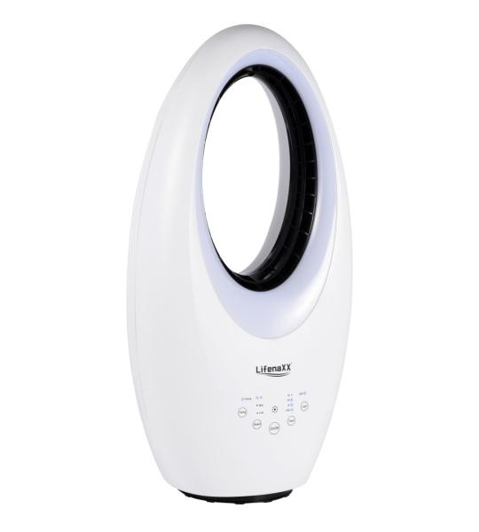
Lifenaxx Blade-less Fan with LED + Oscillation LX-080

Item number | 5420 |  | VE | 1
EAN | 4260101731654 |  | Pieces per pallet | 18
Customs number | 8414510090 |  | Layers per pallet | 6

Dimensions - item
Length(cm) | Width(cm) | Height(cm) | Weight(g)
63 | 32 | 23 | 3700

Dimensions - item packaging
Length(cm) | Width(cm) | Height(cm) | Tare(g) | Weight(g) product + packaging
70 | 36 | 27 | 300 | 4000

Dimensions - VE box (master box)
Length(cm) | Width(cm) | Height(cm) | Weight(g)
0 | 0 | 0 | 0

Packaging - components
Rest of accessories (g) | Paper / cardboard (g) | Styrofoam (g) | Plastic hollow body(g) | Plastic. foils(g) | Composite materials (g)
0 | 0 | 0 | 0 | 0 | 0

Further informations
Technaxx reseller portal

