Worksheet
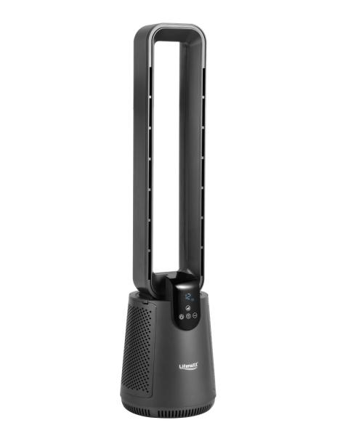
Lifenaxx Blade-less Fan with Hepa filter + Oscillation LX-079

Item number | 5419 |  | VE | 1
EAN | 4260101731647 |  | Pieces per pallet | 12
Customs number | 8414510090 |  | Layers per pallet | 6
UPC | 0
Dimensions - item
Length(inch) | Width(inch) | Height(inch) | Weight(oz)
36.61 | 9.84 | 9.84 | 186,95

Dimensions - item packaging
Length(inch) | Width(inch) | Height(inch) | Tare(oz) | Weight(oz) product + packaging
37.99 | 11.22 | 11.22 | 17,64 | 204,59

Dimensions - VE box (master box)
Length(inch) | Width(inch) | Height(inch) | Weight(oz)
0 | 0 | 0 | 0,00

Packaging - components
Rest of accessories (oz) | Paper / cardboard (oz) | Styrofoam (oz) | Plastic hollow body(oz) | Plastic. foils(oz) | Composite materials (oz)
0,00 | 0,00 | 0,00 | 0,00 | 0,00 | 0,00

Further informations
Technaxx reseller portal

