Worksheet
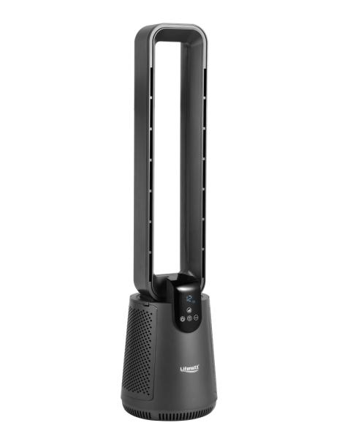
Lifenaxx Blade-less Fan with Hepa filter + Oscillation LX-079

Item number | 5419 |  | VE | 1
EAN | 4260101731647 |  | Pieces per pallet | 12
Customs number | 8414510090 |  | Layers per pallet | 6

Dimensions - item
Length(cm) | Width(cm) | Height(cm) | Weight(g)
93 | 25 | 25 | 5300

Dimensions - item packaging
Length(cm) | Width(cm) | Height(cm) | Tare(g) | Weight(g) product + packaging
96.5 | 28.5 | 28.5 | 500 | 5800

Dimensions - VE box (master box)
Length(cm) | Width(cm) | Height(cm) | Weight(g)
0 | 0 | 0 | 0

Packaging - components
Rest of accessories (g) | Paper / cardboard (g) | Styrofoam (g) | Plastic hollow body(g) | Plastic. foils(g) | Composite materials (g)
0 | 0 | 0 | 0 | 0 | 0

Further informations
Technaxx reseller portal

