Worksheet
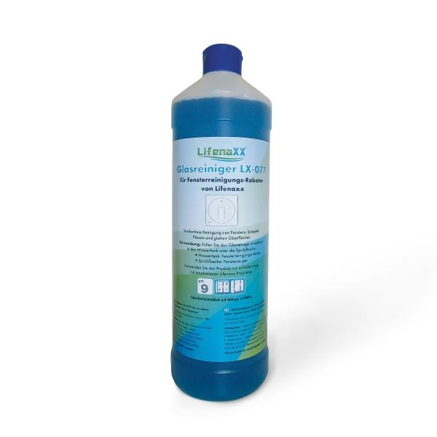
Lifenaxx Cleaning solution for windowrobots LX-077

Item number | 5417 |  | VE | 12
EAN | 4026899039439 |  | Pieces per pallet | 720
Customs number | 34029090 |  | Layers per pallet | 6
UPC | 0
Dimensions - item
Length(inch) | Width(inch) | Height(inch) | Weight(oz)
3.15 | 3.15 | 11.02 | 38,80

Dimensions - item packaging
Length(inch) | Width(inch) | Height(inch) | Tare(oz) | Weight(oz) product + packaging
3.15 | 3.15 | 11.02 | 0,00 | 39,51

Dimensions - VE box (master box)
Length(inch) | Width(inch) | Height(inch) | Weight(oz)
12.8 | 9.65 | 11.42 | 462,79

Packaging - components
Rest of accessories (oz) | Paper / cardboard (oz) | Styrofoam (oz) | Plastic hollow body(oz) | Plastic. foils(oz) | Composite materials (oz)
0,00 | 0,00 | 0,00 | 0,00 | 0,00 | 0,00

Further informations
Technaxx reseller portal

