Worksheet
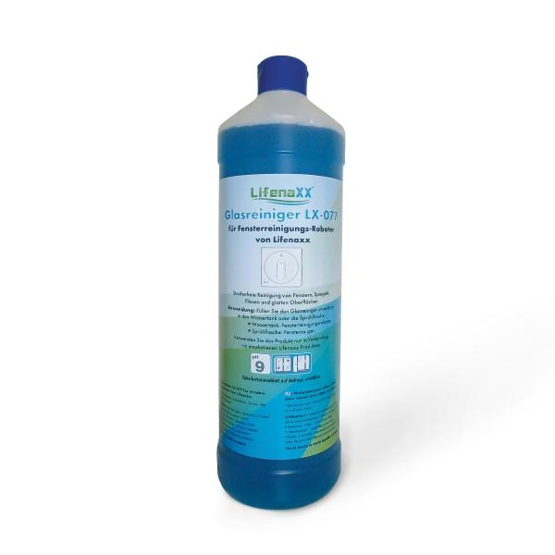
Lifenaxx Cleaning solution for windowrobots LX-077

Item number | 5417 |  | VE | 12
EAN | 4026899039439 |  | Pieces per pallet | 720
Customs number | 34029090 |  | Layers per pallet | 6

Dimensions - item
Length(cm) | Width(cm) | Height(cm) | Weight(g)
8 | 8 | 28 | 1100

Dimensions - item packaging
Length(cm) | Width(cm) | Height(cm) | Tare(g) | Weight(g) product + packaging
8 | 8 | 28 | 0 | 1120

Dimensions - VE box (master box)
Length(cm) | Width(cm) | Height(cm) | Weight(g)
32.5 | 24.5 | 29 | 13120

Packaging - components
Rest of accessories (g) | Paper / cardboard (g) | Styrofoam (g) | Plastic hollow body(g) | Plastic. foils(g) | Composite materials (g)
0 | 0 | 0 | 0 | 0 | 0

Further informations
Technaxx reseller portal

