Worksheet
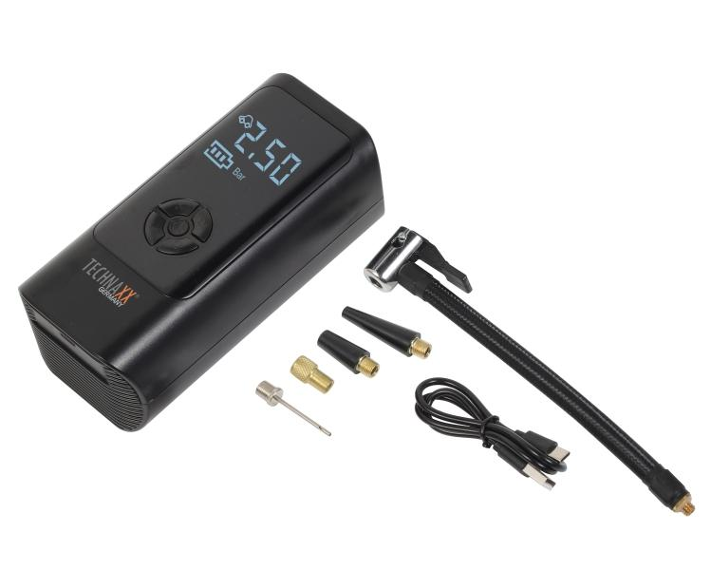
Technaxx car air compressor TX-370

Item number | 5394 |  | VE | 8
EAN | 4260101731135 |  | Pieces per pallet | 384
Customs number | 8414801190 |  | Layers per pallet | no information
UPC | 0
Dimensions - item
Length(inch) | Width(inch) | Height(inch) | Weight(oz)
6.5 | 3.23 | 2.44 | 16,83

Dimensions - item packaging
Length(inch) | Width(inch) | Height(inch) | Tare(oz) | Weight(oz) product + packaging
7.8 | 6.54 | 3.23 | 2,93 | 23,49

Dimensions - VE box (master box)
Length(inch) | Width(inch) | Height(inch) | Weight(oz)
16.14 | 13.78 | 7.09 | 208,12

Packaging - components
Rest of accessories (oz) | Paper / cardboard (oz) | Styrofoam (oz) | Plastic hollow body(oz) | Plastic. foils(oz) | Composite materials (oz)
1,27 | 0,00 | 0,49 | 0,00 | 0,14 | 0,00

Battery / accumulator informations
Battery needed | Battery included | Type of battery | Battery system(typus)
Yes | Yes | Akku | Li-Ion - Lithium-Ionen-Akku
Quantity(piece) | Weight per piece.(oz) | Energy density(WH/Kg) | Power (WH)
1 | 1,59 | 123.33 | 5.55

Lithium battery
Energy content | Weight (oz)
0 | 0,00

Further informations
Technaxx reseller portal

