Worksheet
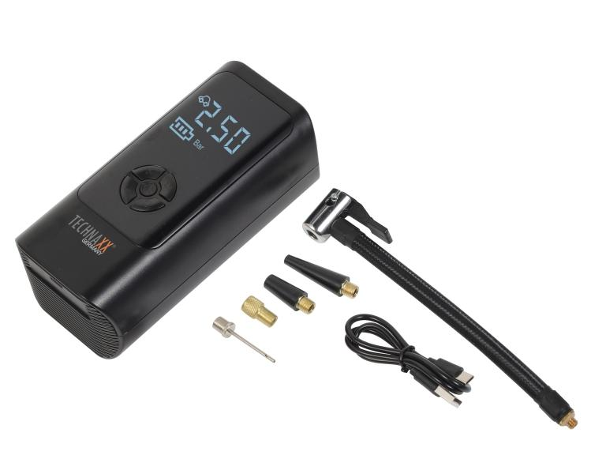
Technaxx car air compressor TX-370

Item number | 5394 |  | VE | 8
EAN | 4260101731135 |  | Pieces per pallet | 384
Customs number | 8414801190 |  | Layers per pallet | no information

Dimensions - item
Length(cm) | Width(cm) | Height(cm) | Weight(g)
16.5 | 8.2 | 6.2 | 477

Dimensions - item packaging
Length(cm) | Width(cm) | Height(cm) | Tare(g) | Weight(g) product + packaging
19.8 | 16.6 | 8.2 | 83 | 666

Dimensions - VE box (master box)
Length(cm) | Width(cm) | Height(cm) | Weight(g)
41 | 35 | 18 | 5900

Packaging - components
Rest of accessories (g) | Paper / cardboard (g) | Styrofoam (g) | Plastic hollow body(g) | Plastic. foils(g) | Composite materials (g)
36 | 0 | 14 | 0 | 4 | 0

Battery / accumulator informations
Battery needed | Battery included | Type of battery | Battery system(typus)
Yes | Yes | Akku | Li-Ion - Lithium-Ionen-Akku
Quantity(piece) | Weight per piece.(g) | Energy density(WH/Kg) | Power (WH)
1 | 45 | 123.33 | 5.55

Lithium battery
Energy content | Weight (Kg)
0 | 0

Further informations
Technaxx reseller portal

