Worksheet
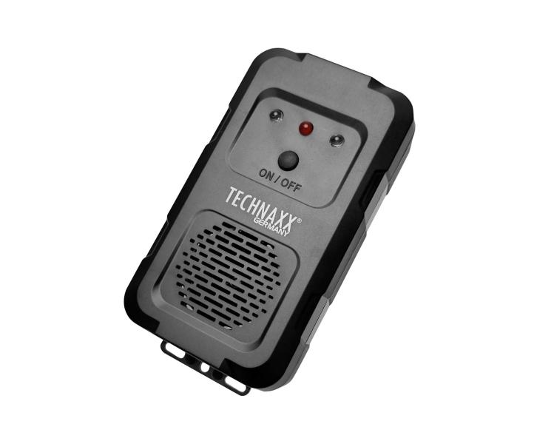
Technaxx Marten Repellent TX-368

Item number | 5388 |  | VE | 60
EAN | 4260101730947 |  | Pieces per pallet | no information
Customs number | 85437090 |  | Layers per pallet | 4
UPC | 0
Dimensions - item
Length(inch) | Width(inch) | Height(inch) | Weight(oz)
5 | 2.56 | 1.18 | 2,65

Dimensions - item packaging
Length(inch) | Width(inch) | Height(inch) | Tare(oz) | Weight(oz) product + packaging
1.42 | 4.92 | 6.89 | 0,35 | 5,43

Dimensions - VE box (master box)
Length(inch) | Width(inch) | Height(inch) | Weight(oz)
16.73 | 14.76 | 13.39 | 423,29

Packaging - components
Rest of accessories (oz) | Paper / cardboard (oz) | Styrofoam (oz) | Plastic hollow body(oz) | Plastic. foils(oz) | Composite materials (oz)
0,00 | 0,00 | 0,00 | 0,00 | 0,00 | 0,00

Further informations
Technaxx reseller portal

