Worksheet
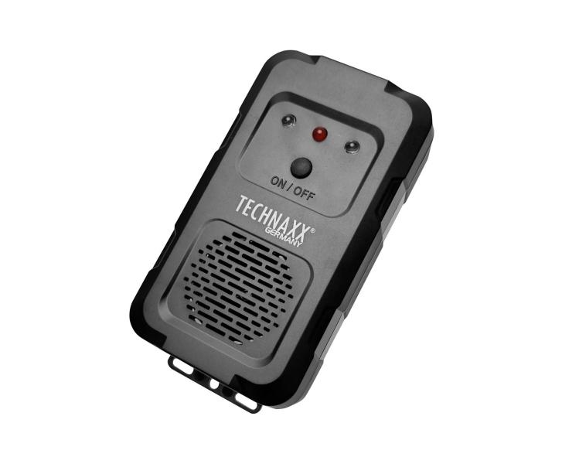
Technaxx Marten Repellent TX-368

Item number | 5388 |  | VE | 60
EAN | 4260101730947 |  | Pieces per pallet | no information
Customs number | 85437090 |  | Layers per pallet | 4

Dimensions - item
Length(cm) | Width(cm) | Height(cm) | Weight(g)
12.7 | 6.5 | 3 | 75

Dimensions - item packaging
Length(cm) | Width(cm) | Height(cm) | Tare(g) | Weight(g) product + packaging
3.6 | 12.5 | 17.5 | 10 | 154

Dimensions - VE box (master box)
Length(cm) | Width(cm) | Height(cm) | Weight(g)
42.5 | 37.5 | 34 | 12000

Packaging - components
Rest of accessories (g) | Paper / cardboard (g) | Styrofoam (g) | Plastic hollow body(g) | Plastic. foils(g) | Composite materials (g)
0 | 0 | 0 | 0 | 0 | 0

Further informations
Technaxx reseller portal

