Worksheet
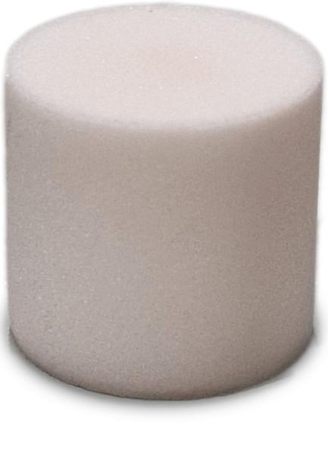
Lifenaxx Mite Vacuum Pro Aroma Refill Pack 5 tablets LX-070

Item number | 5387 |  | VE | 50
EAN | 4260101731630 |  | Pieces per pallet | no information
Customs number | 3307490090 |  | Layers per pallet | 9
UPC | 0
Dimensions - item
Length(inch) | Width(inch) | Height(inch) | Weight(oz)
0.59 | 0.55 | 0.55 | 0,11

Dimensions - item packaging
Length(inch) | Width(inch) | Height(inch) | Tare(oz) | Weight(oz) product + packaging
3.35 | 3.35 | 1.1 | 0,63 | 1,31

Dimensions - VE box (master box)
Length(inch) | Width(inch) | Height(inch) | Weight(oz)
12.64 | 10.28 | 7.68 | 59,97

Packaging - components
Rest of accessories (oz) | Paper / cardboard (oz) | Styrofoam (oz) | Plastic hollow body(oz) | Plastic. foils(oz) | Composite materials (oz)
0,00 | 0,00 | 0,00 | 0,00 | 0,00 | 0,00

Further informations
Technaxx reseller portal

