Worksheet
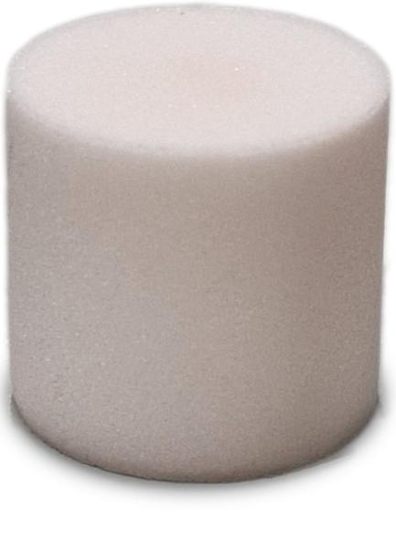
Lifenaxx Mite Vacuum Pro Aroma Refill Pack 5 tablets LX-070

Item number | 5387 |  | VE | 50
EAN | 4260101731630 |  | Pieces per pallet | no information
Customs number | 3307490090 |  | Layers per pallet | 9

Dimensions - item
Length(cm) | Width(cm) | Height(cm) | Weight(g)
1.5 | 1.4 | 1.4 | 3

Dimensions - item packaging
Length(cm) | Width(cm) | Height(cm) | Tare(g) | Weight(g) product + packaging
8.5 | 8.5 | 2.8 | 18 | 37

Dimensions - VE box (master box)
Length(cm) | Width(cm) | Height(cm) | Weight(g)
32.1 | 26.1 | 19.5 | 1700

Packaging - components
Rest of accessories (g) | Paper / cardboard (g) | Styrofoam (g) | Plastic hollow body(g) | Plastic. foils(g) | Composite materials (g)
0 | 0 | 0 | 0 | 0 | 0

Further informations
Technaxx reseller portal

