Worksheet
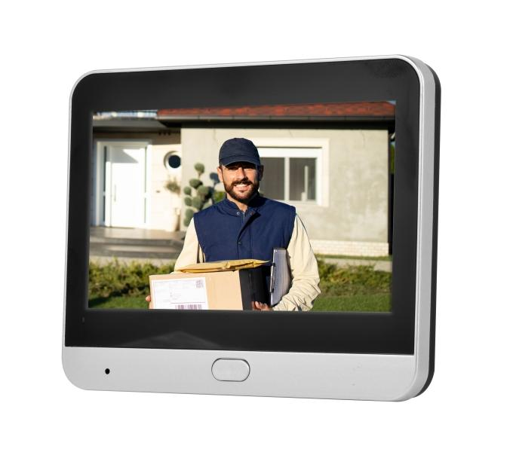
Technaxx Wifi Door Peephole TX-366

Item number | 5383 |  | VE | 20
EAN | 4260101730763 |  | Pieces per pallet | no information
Customs number | 85258100 |  | Layers per pallet | no information
UPC | 0
Dimensions - item
Length(inch) | Width(inch) | Height(inch) | Weight(oz)
4.69 | 3.5 | 0.98 | 11,36

Dimensions - item packaging
Length(inch) | Width(inch) | Height(inch) | Tare(oz) | Weight(oz) product + packaging
7.48 | 4.92 | 2.95 | 0,00 | 24,69

Dimensions - VE box (master box)
Length(inch) | Width(inch) | Height(inch) | Weight(oz)
15.75 | 12.99 | 12.8 | 493,84

Packaging - components
Rest of accessories (oz) | Paper / cardboard (oz) | Styrofoam (oz) | Plastic hollow body(oz) | Plastic. foils(oz) | Composite materials (oz)
0,00 | 0,00 | 0,00 | 0,00 | 0,00 | 0,00

Battery / accumulator informations
Battery needed | Battery included | Type of battery | Battery system(typus)
Yes | Yes | Akku | LiPoly - Lithium-Polymer-Akku
Quantity(piece) | Weight per piece.(oz) | Energy density(WH/Kg) | Power (WH)
1 | 0,00 | 0 | 0

Lithium battery
Energy content | Weight (oz)
0 | 0,00

Further informations
Technaxx reseller portal

