Worksheet
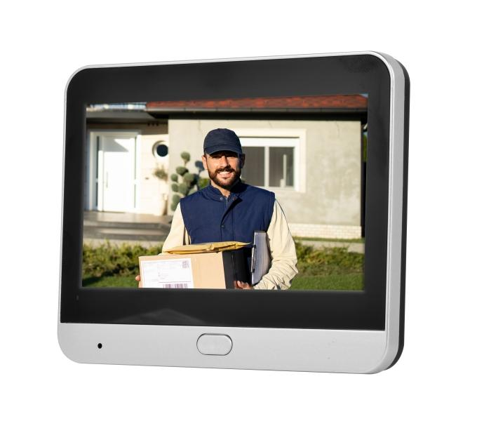
Technaxx Wifi Door Peephole TX-366

Item number | 5383 |  | VE | 20
EAN | 4260101730763 |  | Pieces per pallet | no information
Customs number | 85258100 |  | Layers per pallet | no information

Dimensions - item
Length(cm) | Width(cm) | Height(cm) | Weight(g)
11.9 | 8.9 | 2.5 | 322

Dimensions - item packaging
Length(cm) | Width(cm) | Height(cm) | Tare(g) | Weight(g) product + packaging
19 | 12.5 | 7.5 | 0 | 700

Dimensions - VE box (master box)
Length(cm) | Width(cm) | Height(cm) | Weight(g)
40 | 33 | 32.5 | 14000

Packaging - components
Rest of accessories (g) | Paper / cardboard (g) | Styrofoam (g) | Plastic hollow body(g) | Plastic. foils(g) | Composite materials (g)
0 | 0 | 0 | 0 | 0 | 0

Battery / accumulator informations
Battery needed | Battery included | Type of battery | Battery system(typus)
Yes | Yes | Akku | LiPoly - Lithium-Polymer-Akku
Quantity(piece) | Weight per piece.(g) | Energy density(WH/Kg) | Power (WH)
1 | 0 | 0 | 0

Lithium battery
Energy content | Weight (Kg)
0 | 0

Further informations
Technaxx reseller portal

